Membership Packages
section gap deffernece in lap | completed
button icons are missing (src issue) | completed
Price > Value should be in the bold style | completed
Mobile > Sie menu > Drop-down > BG Text shows behind the drop-down menu container | completed
Add hover effect on button | completed
Side menu bar > Seperation lines are missing in the mobile view
Side menu bar > Bullet points are missing in the mobile view
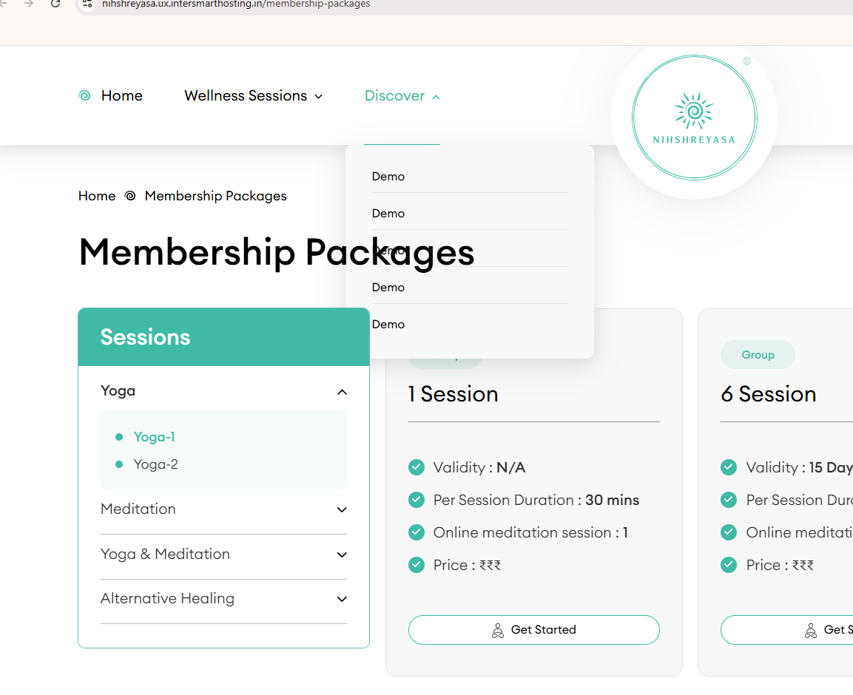
Header > Drop-down menu overlaps with the text

